Instructions
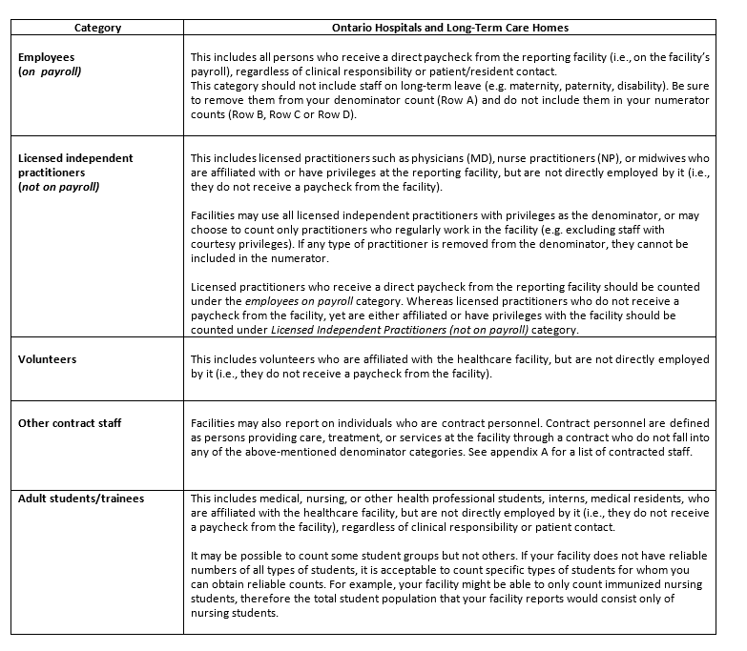
How to Run a Relias Course Status Report

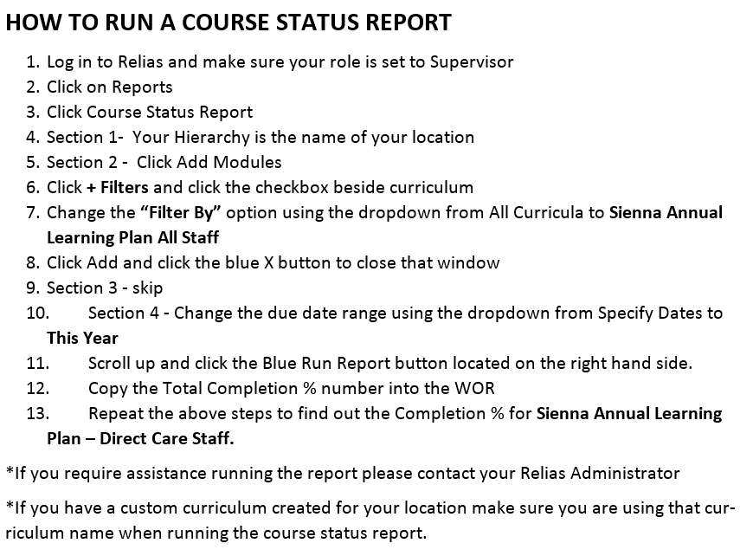

Definitions of Immunization / Outbreak Categories

